Instructions
Instructions to submit this order to Bulkley Associates:
Please save this document to your desktop.
Fill the order form and save your changes.
Go back to where you downloaded this document on www.bulkleyassociates.com and select "Upload Order Form"


You'll see this window. Enter your information and click the upload file button

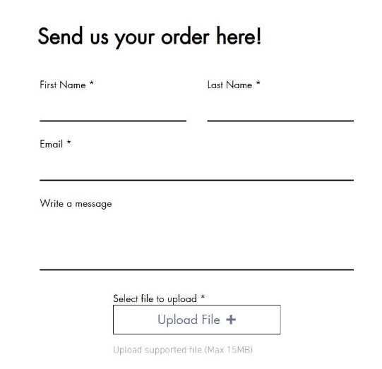

Your computer will open a window allowing you to select the order form you just filled out.



Click your on your order form, then click "Open"
You will be returned to the upload screen. The file you selected will be described below the button.
check the reCAPTCHA button to prove your humanity. Then click SUBMIT.


When properly submitted, a message will appear:


You're all done! Your order will be routed to your assigned Sales Rep for processing.

If you do not receive a confirmation within 48 hours, please reach out to our Showroom @ 206-762-6204

TIPS:
1. Vendor will not break a case pack. Make sure that you are ordering products in multiples of the minimum case pack quantities to avoid delays with the order processing. (ie: if min case pack= 4, please order in multiples of 4 (4,8,12,etc))

2. Don’t forget to hit the vendor minimum for opening orders and reorders.

3. Your rep will be carefully reviewing your order to make sure that you are taking advantage of current promos, identifying any stock issues, and alerting you to any details to maximize your assortment.

4. Have a special request? Please write that into the COMMENTS section and we’ll do our best to accommodate you.

Let's get started! Click the Order Form Tab at the bottom of this spreadsheet

Order Form

 |  |  |  | PO#:
 |  |  |  | TODAY'S DATE: |  | 2022-06-14
 |  |  |  | SHIP DATE:
 |  |  |  | CANCEL DATE:

 |  |  |  | NET TOTAL DUE: |  | 0.00

 |  |  |  | Opening/Reorder Minimums: $100/$50
STORE NAME: |  |  | BUYER NAME:
EMAIL: |  |  | PHONE #:
SHIP TO: |  |  | BILL TO:
Address line 1:
Address line 2:
City, State, ZIP:

ProductID | Order Qty | ProductName | UnitPrice | Case Pack Multiple | UPC | Ext Total
Item # |  | K-Cup® Accessories | $0.00 |  |  | $0.00
5636C |  | 36 Pod Carousel for K-Cup® - Chrome | $14.95 | 4 | 7-29708-35636-2 | $0.00
5640B |  | 40 Pod Carousel for K-Cup® - Black | $15.95 | 4 | 7-29708-25640-2 | $0.00
5724B |  | 24 Pod Carousel for K-Cup® - Black | $11.95 | 4 | 7-29708-75724-4 | $0.00
5735 |  | 35 Pod Carousel for K-Cup® - Chrome | $13.95 | 4 | 7-29708-05735-1 | $0.00
5771 |  | 35 Pod Carousel for K-Cup® - Black | $12.95 | 4 | 7-29708-05771-9 | $0.00
6401 |  | 24 Pod Mini Drawer for K-Cup® | $11.95 | 4 | 7-29708-06401-4 | $0.00
6402 |  | 24 Pod Mini Rolling Drawer for K-Cup® | $12.95 | 4 | 7-29708-06402-1 | $0.00
6410 |  | 36 Pod Drawer for K-Cup® | $14.95 | 4 | 7-29708-06410-6 | $0.00
6480 |  | 36 Pod Rolling Drawer for K-Cup® | $16.95 | 4 | 7-29708-06480-9 | $0.00
6454 |  | 54 3-Tier Drawer for K-Cup® | $19.95 | 4 | 7-29708-06454-0 | $0.00
Item # |  | Nespresso® Accessories | $0.00 |  |  | $0.00
5515 |  | Carousel for Nespresso® Vertuoline™ | $12.95 | 4 | 7-29708-05515-9 | $0.00
6145 |  | Drawer for Nespresso® Vertuoline™ | $15.95 | 4 | 7-29708-06145-7 | $0.00
5510 |  | Carousel for Nespresso® | $11.95 | 4 | 7-29708-05510-4 | $0.00
6140 |  | Drawer for Nespresso® - Small | $13.95 | 4 | 7-29708-06140-2 | $0.00
6160 |  | Drawer for Nespresso® - Large | $18.95 | 4 | 7-29708-06160-0 | $0.00
Item # |  | Cocktail Capsule Accessories | $0.00 |  |  | $0.00
5620 |  | Cocktail Capusule Carousel | $15.95 | 4 | 7-29708-05620-0 | $0.00
6420 |  | Cocktail Capsule Drawer | $23.95 | 4 | 7-29708-06420-5 | $0.00
6425 |  | Cocktail Capsule 2 Tiered Drawer | $23.95 | 6 | 7-29708-06425-0 | $0.00
Item # |  | Tabletop Accessories | $0.00 |  |  | $0.00
5550 |  | Tea Carousel | $10.95 | 4 | 7-29708-06670-4 | $0.00
8818 |  | Small Appliance Rolling Tray | $9.95 | 6 | 7-29708-08818-8 | $0.00
8820 |  | Appliance Rolling Tray | $9.95 | 6 | 7-29708-08820-1 | $0.00
8824 |  | Large Appliance Rolling Tray | $12.95 | 6 | 7-29708-08824-9 | $0.00
6920 |  | Appliance Rolling Drawer - Black | $13.95 | 4 | 7-29708-06920-0 | $0.00
8830 |  | Coffee Pod & Cup Carousel | $8.95 | 4 | 7-29708-08830-0 | $0.00
9130 |  | Easter Egg Carousel | $6.95 | 4 | 7-29708-09130-0 | $0.00
Item # |  | Cookware Accessories | $0.00 |  |  | $0.00
0001 |  | Turkey Lifter | $2.95 | 12 | 7-29708-00001-2 | $0.00
N0003 |  | Non-Stick Gourmet Lifter | $7.95 | 12 | 7-29708-80003-2 | $0.00
XRR54 |  | Expandable Roasting Rack | $5.95 | 12 | 7-29708-00054-8 | $0.00
Item # |  | Bakeware Accessories | $0.00 |  |  | $0.00
3122 |  | Pizza & Pie Baking Rack | $6.95 | 12 | 7-29708-03122-1 | $0.00
4414 |  | 3 Tier Baking Rack | $7.95 | 6 | 7-29708-04414-6 | $0.00
4450 |  | 3 Tier Oven Rack | $7.95 | 6 | 7-29708-04450-4 | $0.00
EZ89 |  | Expandable Cooling Rack - 3 Rack | $9.95 | 6 | 7-29708-00089-0 | $0.00
4422 |  | 3 Tier Cooling Rack | $15.95 | 6 | 7-29708-04422-1 | $0.00
4370 |  | Cupcake Cone Baking Rack | $5.95 | 12 | 7-29708-04370-5 | $0.00
3410 |  | All-In-1 Oven Rack | $7.95 | 6 | 7-29708-03410-9 | $0.00
3425 |  | Nonstick Baking Sheets (3 Pack) | $8.95 | 8 | 7-29708-03425-3 | $0.00
Item # |  | SodaStream® Accessory | $0.00 |  |  | $0.00
SP |  | Soda Pump | $1.95 | 12 | 7-29708-00891-9 | $0.00
 |  |  |  |  | Subtotal | $0.00

